Sheet1
 | TYPES OF COSTS

 | DIRECT | The cost which participates directly in production process …...Raw material, utilities such as water, power, fuel, labour force

 | INDIRECT | Cost incurred for all support activities - Purchase department, materials handling, warehousing, canteen, transport, accounts,
 |  | administration, repairs and maintenance, marketing, after sales, distribution, advertisement …...NO Direct participation in production process

 |  | Direct Material Cost + Direct Labour Labour + All other Direct Expenses = Prime Cost
 |  | Indirect Material Cost + Indirect Labour + All other Indirect Expenses = OVERHEADS

 | FIXED | Is also called as Time cost. This is fixed irrespective of production volume. For example rent of factory building, Employees on payroll
 |  | Fixed cost can be controlled by way of Budgeting & optimum utilisation of these facilities
 |  | Per unit cost will reduce if you use facilities optimally

 | VARIABLE | Is the cost which varies according to the volume of production. Production of One tonne steel requires Iron ore of 2 Tonnes
 |  | Variable cost changes in proportion to the production volume
 |  | You can not control Variable cost

 | Semi Variable cost | Means semi Fixed….. Partially fixed and partially variable …... Like you electricity cost
 |  | Fixed Electricty expenses + per unit cost …...This is a complex cost

 | OPPORTUNITY | e.g. suppose I am owning a building and which at present giving me rental income of Rs 20 Lakhs p.a
 |  | Now I have decided to use it for my office place….. Althtough I will not pay rent….. But there is loss of rent Rs 20 Lakhs

 | SUNK | suppose you decided to manufacture a new product and for which you purchased a machinery Rs 10 Lakhs
 |  | But later you realised that product is very complex and you wont be able to use it any more….. You decided not to go with this
 |  | This is your sunk cost …..you shifted to another product ….forget about this sunk cost

 | RELEVANT | Now the machine referred in above example can now be modified for additional cost Rs 1 Lakh & thereafter you can sell it for Rs 5 Lakhs
 |  | Tell me what is profit / loss you have made? …... Rs 10 lakhs is already a sunk cost …...ignore it…..cost to you is only Rs 1 Lakh
 |  | Therefore additional revenue is Rs 4 Lakhs …. Thus relevant cost in this example is Rs 1 Lakh only

 | MARGINAL COST | Cost incurred for manufacturing one extra unit
 |  | Suppose cost of production for existing 100 units is say Rs. 20,000
 |  | Cost of production for 101 units ….. Cost is Rs 20100
 |  | What is the cost of this extra unit manufactured = Rs 100 …... Called as marginal cost

 | Marginal Costing Technique called as CVP analysis is used in short term decision making
 | CVP = Cost, Volume & profit
 | Marginal costing technique is also called as Break Even Analysis

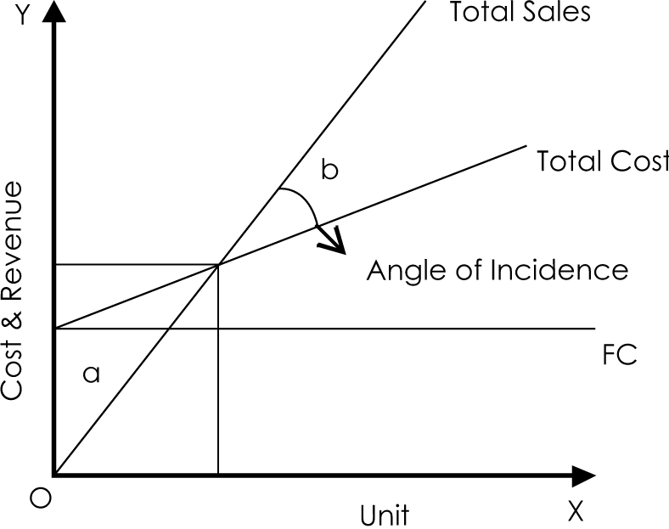
 | Break even = such level of production where there is no profit and no loss
 | Below that level, you make losses & above this break even level you start earning
 | profits

(i) | Break even sales in Rupees
(ii) | Break even quantity sales

 | Sales - total cost = Profit / (Loss)
 | Sales - (Total fixed cost+variable cost) = Profit
1 | Sales - Variable cost = Contribution
 | Contribution = Fixed Cost + Proit /(Loss)

2 | P/V Ratio = | [Contribution / Sales] * 100

 | Suppose your total sales are Rs 5 Lakhs & your variable cost is 40% of sales
 | What is contribution? & what is your P/V ratio?
 | Suppose total fixed cost is Rs 100000. Calculate Break even sales
 | Contribution = sales - Variable cost
 | 300,000
 | P/V ratio = [Contribution / sales] *100 |  |  | 60 | %

3 | Break even sales | Total Fixed Cost / P/V ratio

 |  | 166,666.67 | BE Sales i.e. there is no profit and no loss
 |  |  | Cross verify
 |  |  | variable cost is 40% of 166666.67 |  |  |  | 66,666.67
 |  |  | Total fixed cost |  |  |  | 100,000.00
 |  |  |  |  |  |  | 166,666.67

 | In the above example, suppose your minimum required profit is Rs. 25000
 | calculate required sales

 | (Total Fixed cost + Required profits) / PV Ratio = Required sales to earn required profits
 | (100000 + 25000) / 60%
 | 208333.33333

 | Example
 | Suppose a company manufactures some electric components
 | Total fixed cost p.a. is Rs 40 Lakhs
 | Selling price per unit is Rs 800
 | Variable cost per unit is Rs 600
 | At 100% capacity utilisation company can manufacture and sell 40,000 units. At present company is manufacturing and selling 24000 units
 | Calculate
 | Break even sales in Rupees and quantity
 | profit at present production
 | calculate what profit company will make if it achieves 80% capacity utilisation?
 | If required profit is Rs 25 Lakhs, what shall be the capacity utlilisation?

 | Answer
 | BEP is Break-even Point.
 | Contribution per unit = 800 - 600 = 200
 | PV ratio = 200/800 i.e. 25%
 | BEP = Total fixed cost / PV ratio i.e. 40 Lakhs / 25% |  |  |  | 16,000,000 | Break even sales in Rs.

 | BE Quantity | 1. 1.6 Crores / Rs. 800 |  | (BEP/SP) | 20000 | BE Quantity in units

 | 2nd Method for BE quantity = Total fixed cost / Contribution per unit |  |  |  |  | 40 Lakhs / 200 |  | 20000 | BE Units

 | Profit when company is selling 24000 units
 | total sales = 24000*800 |  | 19,200,000
 | Variable cost is 600 per unit |  | 14,400,000 | Variable cost
 |  |  | 4,000,000 | Total fixed cost
 |  |  | 800,000 | Profits

 | at 100% capacity utilisation, company can sell 40000 units
 | therefore at 80% i.e. 32000 units
 | sales | 25,600,000
 | Variable cost | 19,200,000
 | Fixed cost | 4,000,000
 | Profits | 2,400,000

 | If required profit is Rs 25 Lakhs….. What will be the required sales
 | Fixed cost + required profit Rs 25 Lakhs / PV ratio |  |  |  | 26,000,000 | Required sales
 |  |  |  |  | 32,500 | Quantity sales
 |  |  |  |  | 0.81 | i.e 81% capacity is required to be used to make a profit of Rs 25 Lakhs

 | How Marginal costing is useful?

 | Make or buy decisions,
 | Exploring foreign markets,
 | Accept an order or not,
 | Determination of selling price in different conditions,
 | Replace one product with some other product,
 | Optimum utilisation of labour or machine hours,
 | Evaluation of alternative choices,
 | Subcontract some of the production processes or not,
 | Expand the business or not,
 | Diversification,
 | Shutdown or continue

 | EXPLAINATION-1:

 | Contribution: This is the amount of money you have left after you subtract your variable costs from your total sales. In this case, if your total sales are Rs 5 Lakhs and your variable cost is 40% of sales, then your contribution would be Rs 3 Lakhs (Rs 5 Lakhs - 40% of Rs 5 Lakhs).
 | P/V Ratio: This is the ratio of contribution to sales, expressed as a percentage. In simple terms, it shows how much of each rupee of sales contributes to covering your fixed costs and making profit. In this case, the P/V ratio is 60%, meaning for every Rs 1 of sales, 60 paise contributes to covering fixed costs and profit.
 | Break-even Sales: This is the amount of sales you need to cover all your costs (variable and fixed) without making any profit or loss. It's calculated by dividing your total fixed costs by your P/V ratio. So, if your total fixed cost is Rs 1,00,000 and your P/V ratio is 60%, your break-even sales would be Rs 1,66,666.67.
 | Required Sales for Desired Profit: If you want to make a certain amount of profit on top of covering your costs, you need to calculate the sales required to achieve that profit. You do this by adding your desired profit to your total fixed costs, then dividing by your P/V ratio. In this case, if your required profit is Rs 25,000, you add that to your total fixed cost of Rs 1,00,000, then divide by your P/V ratio of 60%, resulting in required sales of Rs 2,08,333.33. This means you need to make sales of at least Rs 2,08,333.33 to earn a profit of Rs 25,000 after covering all your costs.

